Summary
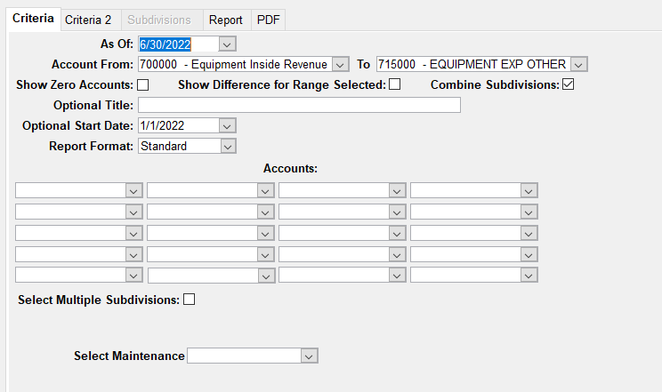
Division/Job | Equipment Amount | Equipment Expenses | Difference | 2025-04-30
Select | 50,131.00 | 26,287.72 |  |  |  |  | Update Monthly

20-07 | - | - |  |  | ASSET ID | UNITS | This range covers all equipment GLs currently
21-01 | - | - |  |  | 14FT-03S | 1.00
22-03 | - | - |  |  | 14FT-04S | 0.00
22-04 | - | - |  |  | PT-09S | 1.00 | Update Yearly
23-02 | - | - |  |  | PT-10S | 1.00
23-03 | - | - |  |  | PT-11S | 0.00 | Nothing needs to be entered here for Select
24-01 | - | - |  |  | PT-12S | 1.00
24-02 | 2,316.00 | 2,316.00 |  |  | PT-13S | 1.00
24-04 | 9,669.00 | 9,669.00 |  |  | PT-14S | 1.00
24-06 | 876.00 | 876.00 |  |  | PT-16S | 0.66
25-03 | 984.00 | 984.00 |  |  | PT-19S | 0.00
25-99 | 36,286.00 | 36,286.00 |  |  | PT-20S | 1.00
 |  |  |  |  | PT-22S | 1.00
 | - |  |  |  | SFB-02S | 0.00
 | 50,131.00 | 50,131.00 |  |  | SFB-03S | 0.00
 |  |  |  |  | SFB-04S | 0.00
JOB | COST CODE | AMOUNT |  |  | SFB-05S | 0.00
25-99 | 2019 0044A | - |  |  | SFB-06S | 0.00
25-99 | 2022 0023A | - |  |  | SFB-07S | 0.00
25-99 | 2022 0040A | - |  |  | TD-01s | 0.99
25-99 | 2023 0006A | 36.00
25-99 | 2023 0014A | 24.00
25-99 | 2023 0032A | 2,175.00
25-99 | 2023 0034A | 825.00
25-99 | 2023 0035A | 5,615.00
25-99 | 2024 0003A | 1,485.00
25-99 | 2024 0004A | 7,605.00
25-99 | 2024 0012A | 3,546.00
25-99 | 2024 0017A | 2,302.00
25-99 | 2024 0019A | 8,949.00
25-99 | 2024 0023A | -
25-99 | 2024 0024A | 144.00
25-99 | 2024 0025A | 1,500.00
25-99 | 2024 0030A | 2,080.00

 | TOTAL FOR 25-99 | 36,286.00

